Sheet2
Average Income Per Purchase
Average of Income | Column Labels
Row Labels | No | Yes | Grand Total
Female | 53440 | 55774.058577 | 54580.777096
Male | 56208.178439 | 60123.966942 | 58062.622309
Grand Total | 54874.759152 | 57962.577963 | 56360

Sheet4
Customer Commute
Count of Purchased Bike | Column Labels
Row Labels | No | Yes | Grand Total
0-1 Miles | 166 | 200 | 366
10+ Miles | 78 | 33 | 111
1-2 Miles | 92 | 77 | 169
2-5 Miles | 67 | 95 | 162
5-10 Miles | 116 | 76 | 192
Grand Total | 519 | 481 | 1000

Sheet6
Customer Age Bracket
Count of Purchased Bike | Column Labels
Row Labels | No | Yes | Grand Total
adolexcent | 71 | 39 | 110
middle age | 318 | 383 | 701
old | 130 | 59 | 189
Grand Total | 519 | 481 | 1000

Sheet5
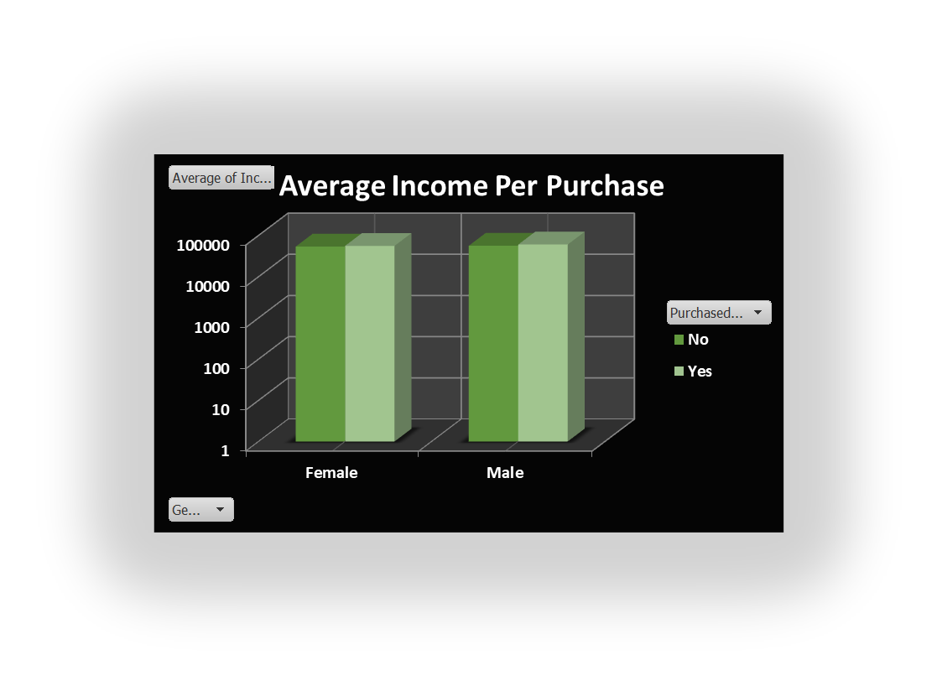
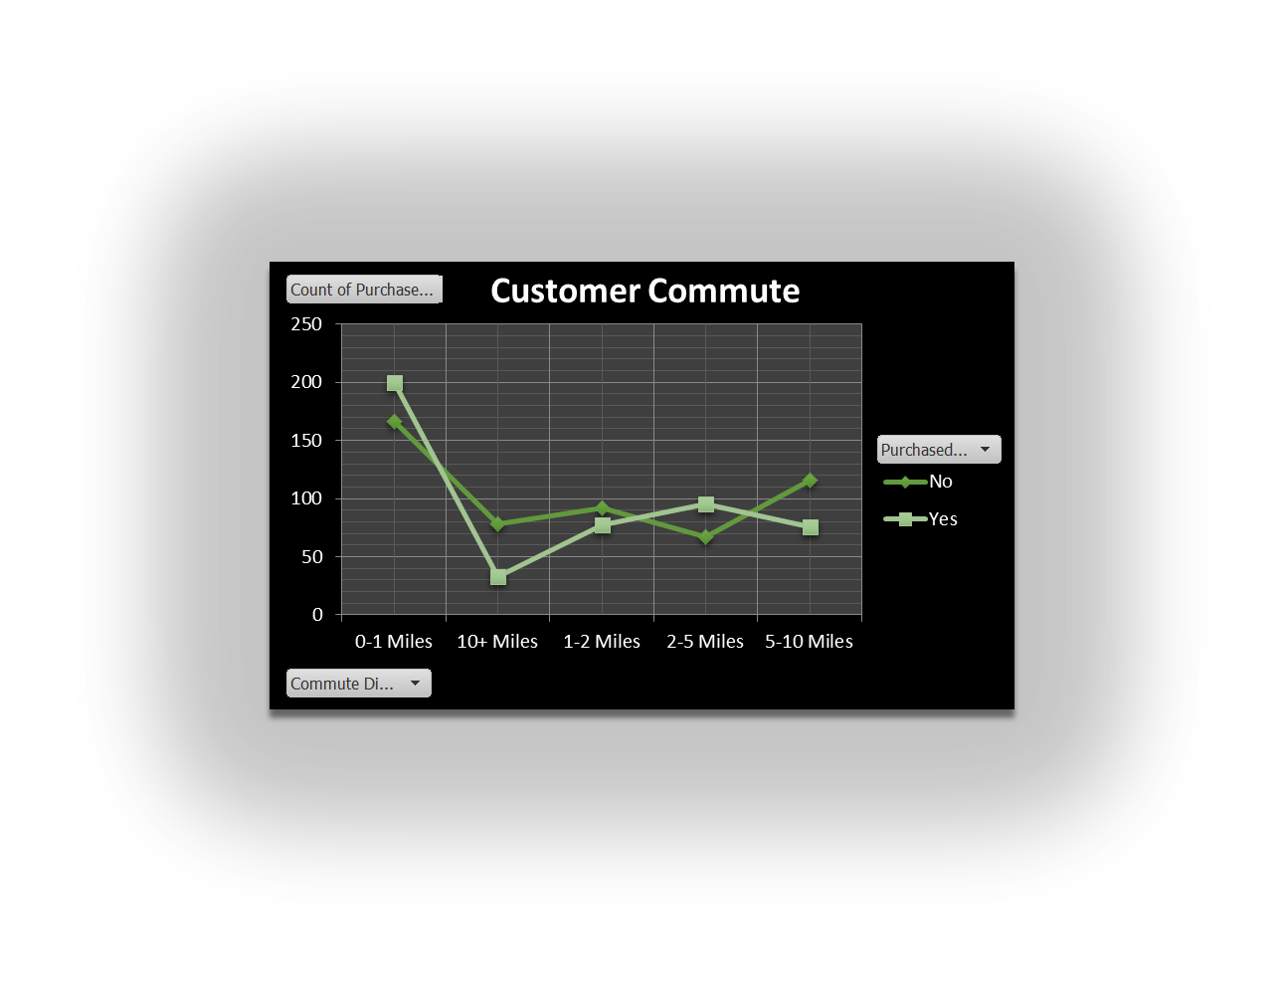
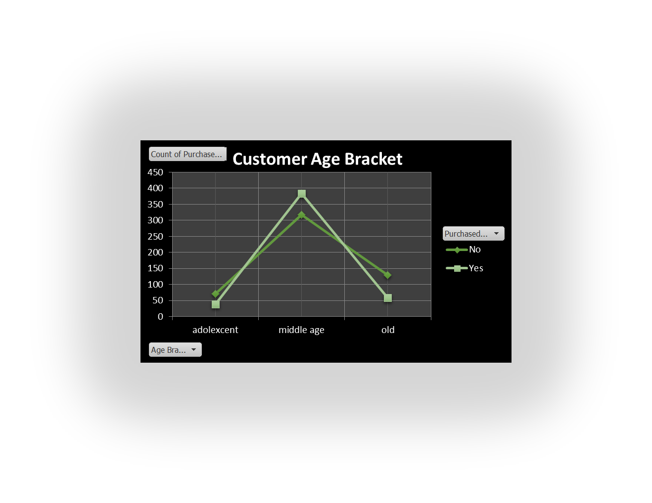
BIKE SALES DASHBORAD

